3-1
Before

Call api

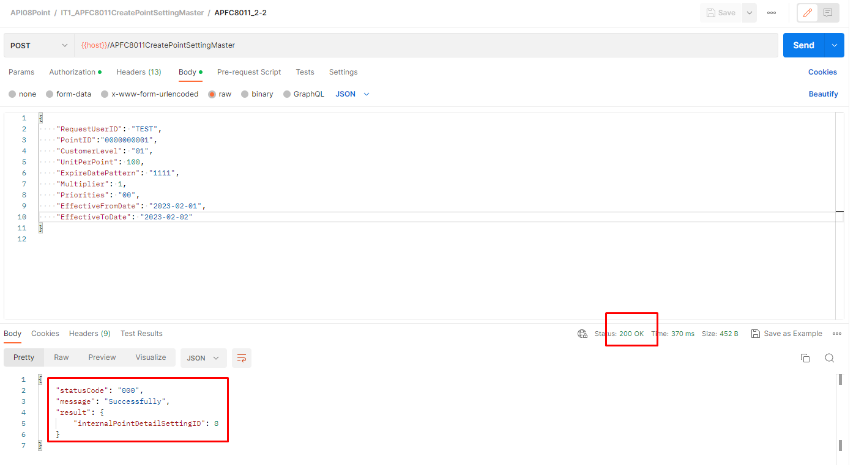

After

3-2
Before

Call api

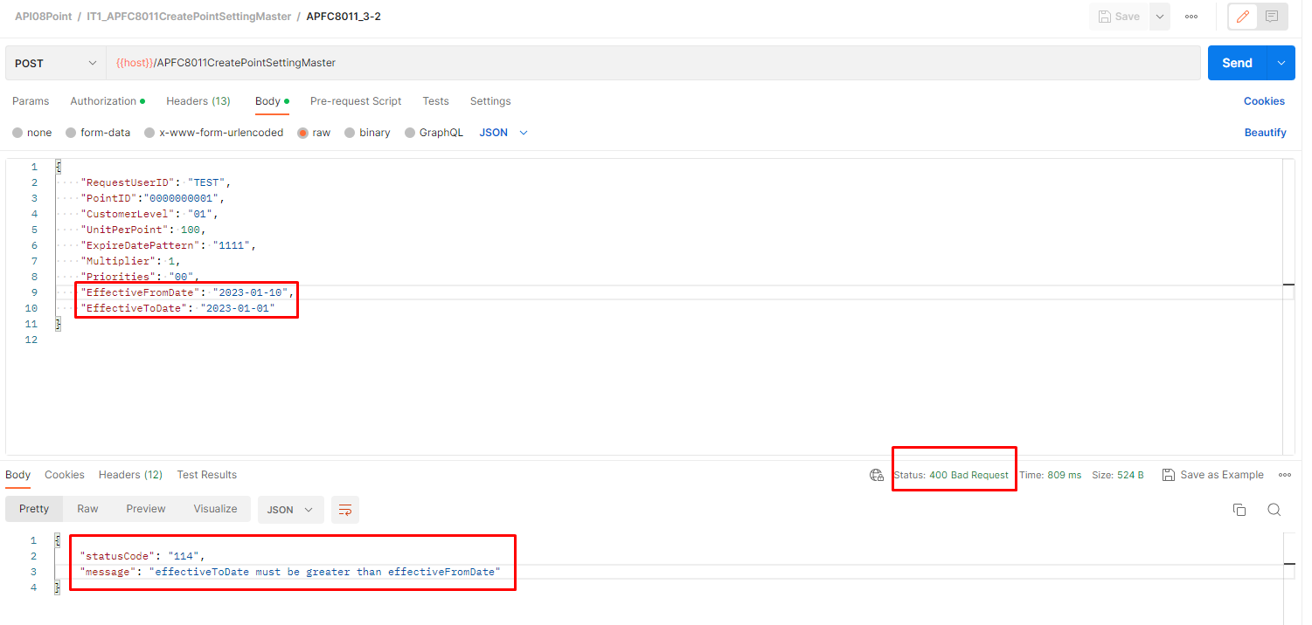

After

3-3
Before

Call api

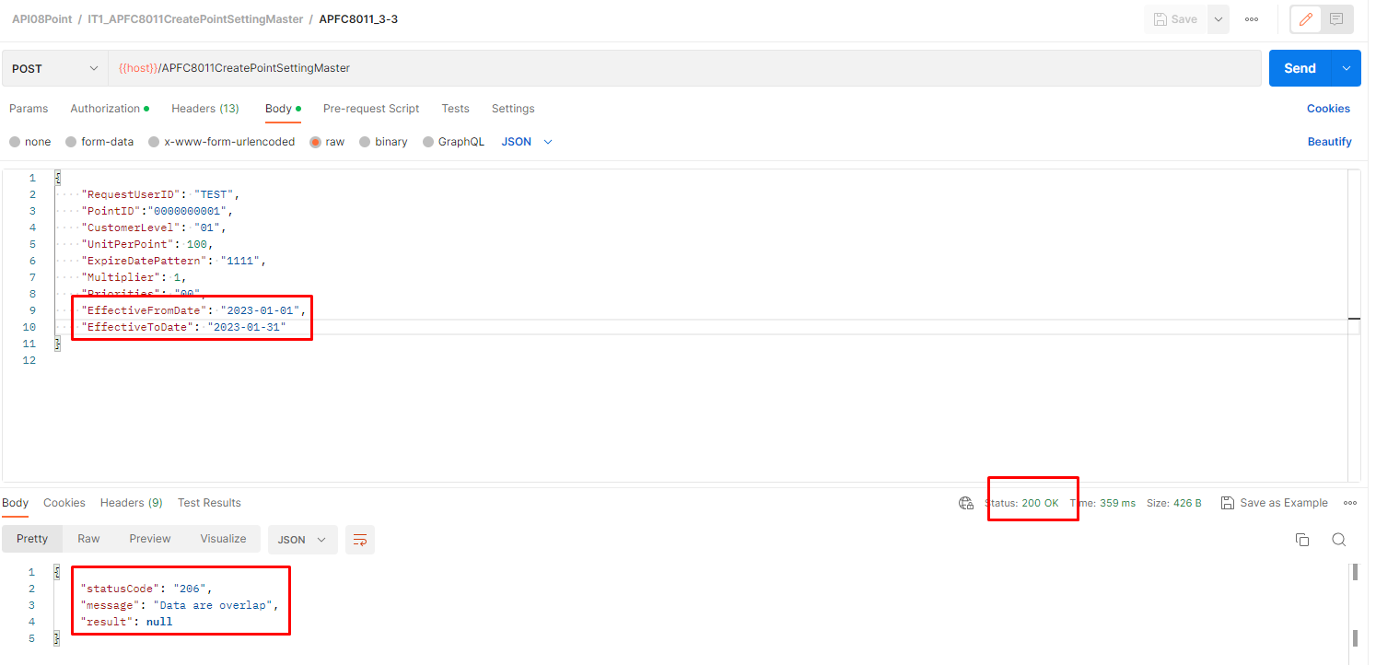

After

3-4
Before

Call api



After

3-5
Before

Call api

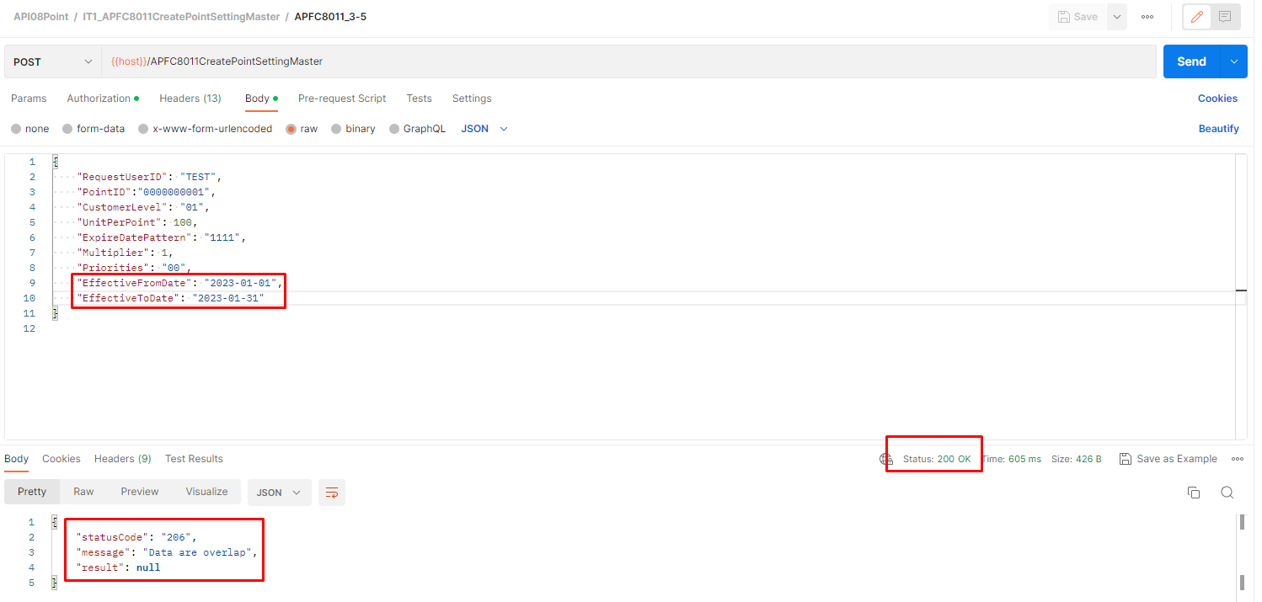

After

